Summary
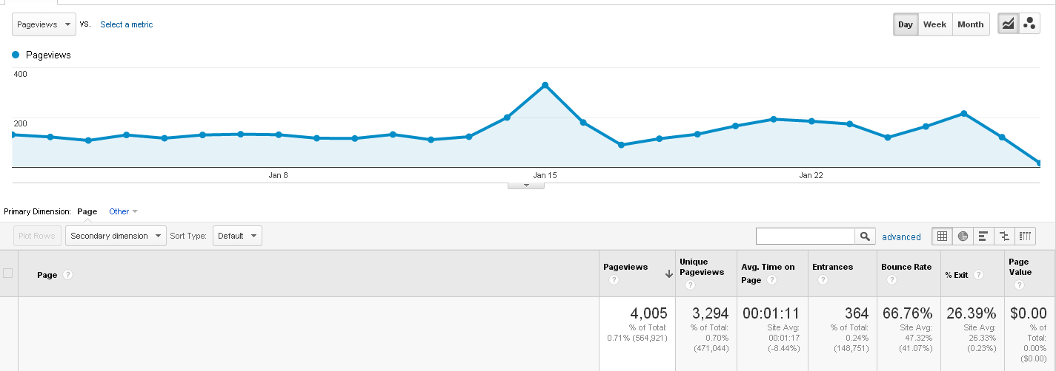
American Express Cruise
Pages
20140101-20140128

Links to data:
Dataset1
Dataset2

